African American Diversity
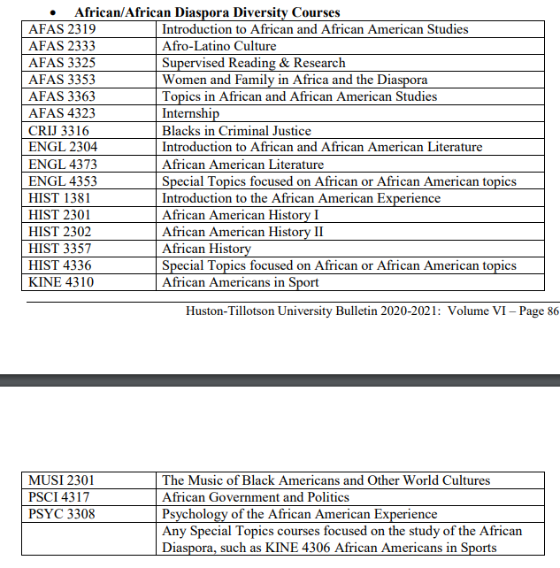
African/African Diaspora Diversity Courses
AFAS 2319
AFAS 2333
AFAS 3325
AFAS 3353
AFAS 3363
AFAS 4323
AFAS 4323
CRIJ 3316
ENGL 2304
ENGL 4373
ENGL 4353
HIST 1381
HIST 2301
HIST 2302
HIST 3357
HIST 4336
KINE 4310
MUSI 2301
PSCI 4317
PSYC 3308

General Diversity
IBUSI 3311
MKTG 4322

